OR Coal Retirements
 |  |  | 2017 | 2018 | 2019 | 2020 | 2021 | 2022 | 2023 | 2024 | 2025 | 2026 | 2027 | 2028 | 2029 | 2030 | 2031 | 2032 | 2033 | 2034 | 2035 | 2036 | 2037 | 2038 | 2039 | 2040 | 2041 | 2042 | 2043 | 2044 | 2045 | 2046 | 2047 | 2048 | 2049 | 2050
 |  | Coal plant retirements (unit) |  |  | 1 | 1 |  |  | 1 |  | 2 |  | 6 | 1 |  | 2 |  |  |  |  |  | 2 | 2
 |  | MW |  |  | 233.33333333 | 95 |  |  | 353.35 |  | 466.66666667 | 82.5 | 836 | 353.35 |  | 78.1 |  |  |  |  |  | 895 | 706.7
 |  | OR % | 0 | 0 | 72.333333333 | 29.45 | 0 | 0 | 109.5385 | 0 | 144.66666667 | 25.575 | 259.16 | 109.5385 | 0 | 24.211 | 0 | 0 | 0 | 0 | 0 | 277.45 | 219.077 | 0 | 0 | 0 | 0 | 0 | 0 | 0 | 0 | 0 | 0 | 0 | 0 | 0

https://www.pacificpower.net/about/newsroom/news-releases/2019-draft-irp-increased-renewables-phased-coal-transition.html
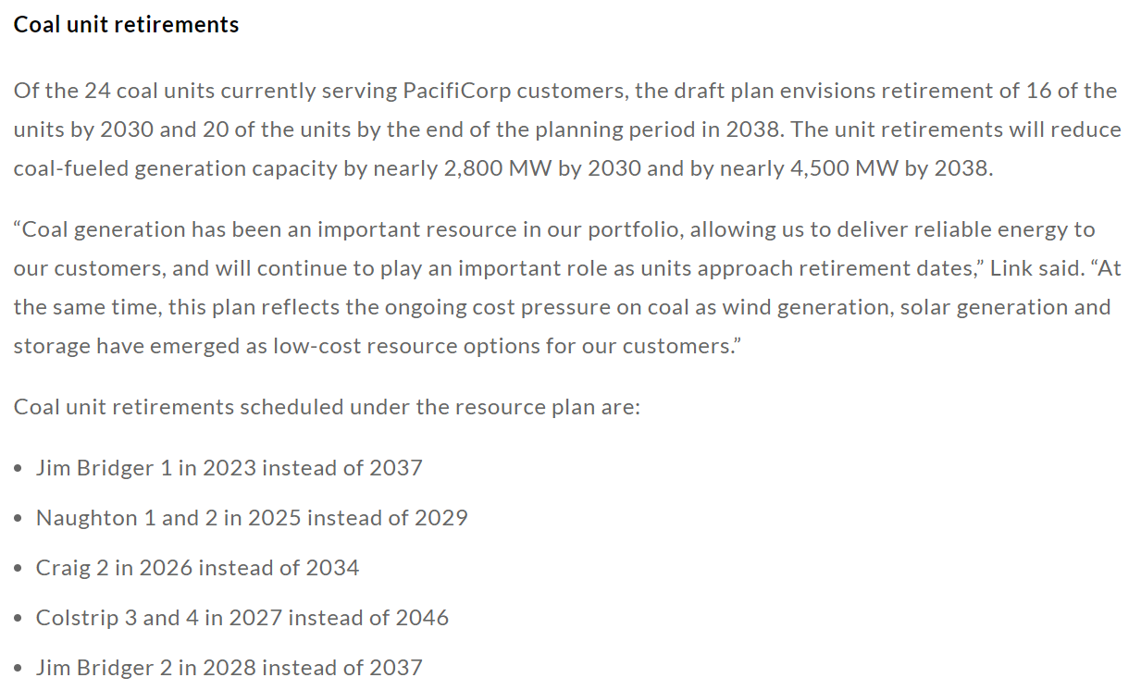

 | https://en.wikipedia.org/wiki/PacifiCorp
 | Plant | Capacity (MW) | Area | % served
 | Jim Bridger | 1413.4 | UT | 0.47
 | Naughton | 700 | CA | 0.03
 | Craig | 165 | ID | 0.04
 | Colstrip | 148 | OR | 0.31
 | Cholla | 380 | WA | 0.07
 | Dave Johnston | 762 | WY | 0.08
 | Hayden | 78.1
 | Huntington | 895

 | * each unit assumed equal MW

